GRASP Time Calulation
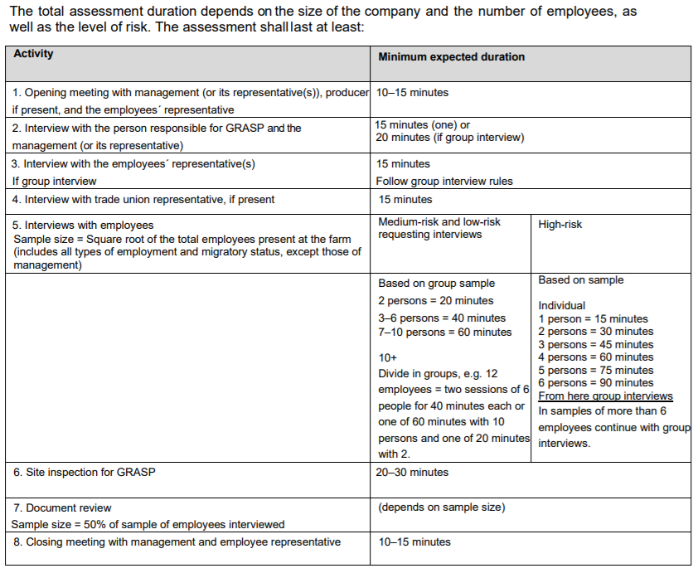
GRASP TIME CALULATION

